Foglio1
Brand | STYLE NUMBER | EAN | DESCRIPTION | QTY | RETAIL | PRICE
Timex | T2N363D7 | 753048356218 | ORG CAMPER OLIVE GREEN | 895 | € 54.00 | € 12.15
Timex | T5D541ME | 753048170265 | PERSONAL (ANALOG) CHEST SENSOR/STRAP | 80 | € 72.00 | € 16.20
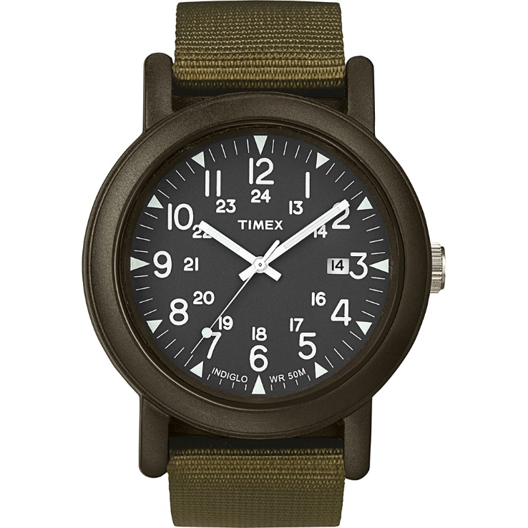
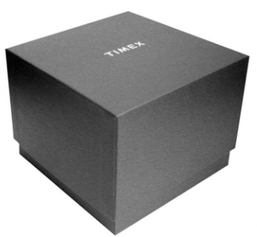
Timex | T5K231ME | 753048339495 | LARGER SIZE HANDLEBAR MOUNT | 25 | € 15.00 | € 3.38
Timex | TW2P91800D7 | 753048615636 | FAIRFIELD MID-SIZE PINK/GREEN | 3 | € 79.00 | € 17.78
Timex | TW2P92500D7 | 753048615650 | Originals Silvertone case finish Grey Dial and Grey Strap | 16 | € 79.00 | € 17.78
Timex | TW2P94800D7 | 753048705481 | iQ+move Mens Gray finish Case Black Dial Grey Accents Brown Leather Strap | 167 | € 179.00 | € 40.28
Timex | TW2P94900UK | 753048705498 | iQ+move Mens Gray finish Case Black Dial Blue Accents Gray Silicone Strap | 158 | € 179.90 | € 40.48
Timex | TW2P95000UK | 753048705504 | iQ+ Move Men's Gray finish Case Black Orange Accents Gray Silicone Strap | 267 | € 179.00 | € 40.28
Timex | TW2R48600D7 | 753048724697 | Fairfield Mid-size nylon strap with crystal bar accent | 14 | € 99.00 | € 22.28
Timex | TW2R60600UK | 753048758289 | Allied Coastline 43mm Silver-tone Case Black Dial Black PU Strap | 896 | € 109.00 | € 24.53
Timex | TW2R60800UK | 753048758302 | Allied Coastline 43mm Silver-tone Case Olive Dial Olive PU Strap | 1897 | € 109.00 | € 24.53
Timex | TW2R79900D7 | 753048789726 | Fairfield Chrono Supernova 41mm Silvertone Case Silvertone Dial Brown Leather Strap | 69 | € 139.00 | € 31.28
Timex | TW2R80900D7 | 753048789771 | MK1 Alum 40mm Olive Case Silver Dial Reflective Olive Strap | 18 | € 89.00 | € 20.03
Timex | TW2R81000D7 | 753048789788 | MK1 Alum 40mm Black Case Black Dial Reflective Black Yellow Strap | 64 | € 89.00 | € 20.03
Timex | TW2T88400D7 | 194366016109 | Women's Model23 33mm Rose-Gold-tone Case Pink Leather Strap | 34 | € 149.00 | € 33.53
Timex | TW2T88500D7 | 194366016116 | Women's Model 23 33mm SST Case Rose-Gold-tone Bracelet | 6 | € 169.00 | € 38.03
Timex | TW2U13500D7 | 194366049763 | Women's Standard 34mm Rose-Gold-tone Case Pink Leather Strap | 118 | € 79.00 | € 17.78
Timex | TW2U14200D7 | 194366049831 | Women's 25mm Two-tone Case Silver-tone Dial Bracelet | 75 | € 89.00 | € 20.03
Timex | TW2U14300D7 | 194366049848 | Women's 25mm Gold-tone Case Silver-tone Dial Bracelet | 72 | € 89.00 | € 20.03
Timex | TW2U14500D7 | 194366049862 | Women's 25mm Silver-tone Case Black Leather Strap | 126 | € 69.00 | € 15.53
Timex | TW2U19000D7 | 194366050073 | Women's Full Bloom 34mm Rose-Gold-tone Case Pink Floral Dial Mesh Band | 104 | € 79.00 | € 17.78
Timex | TW2U19100D7 | 194366050080 | Women's Full Bloom 34mm Gold-tone Case Pink Floral Dial Mesh Band | 124 | € 79.00 | € 17.78
Timex | TW2U19300D7 | 194366050103 | Women's Full Bloom 38mm Rose-Gold-tone Case Pink Floral Dial Pink Leather Strap | 57 | € 79.00 | € 17.78
Timex | TW2U19400D7 | 194366050110 | Women's Full Bloom 38mm Gold-tone Case Pink Floral Dial Mesh Band | 91 | € 89.00 | € 20.03
Timex | TW2U19500D7 | 194366050127 | Women's Full Bloom 38mm Rose-Gold-tone Case Pink Floral Dial Mesh Band | 40 | € 89.00 | € 20.03
Timex | TW2U23200D7 | 194366050264 | Waterbury 34mm Gold-tone Bracelet with Neon Accents | 32 | € 129.00 | € 29.03
Timex | TW2U23300D7 | 194366050271 | Waterbury 34mm Rose-Gold-tone Bracelet with Neon Accents | 37 | € 129.00 | € 29.03
Timex | TW2U23400D7 | 194366050288 | Waterbury 34mm Silver-tone Bracelet with Neion Accents | 9 | € 129.00 | € 29.03
Timex | TW5K87400H4 | 753048556359 | IM Run x20 GPS Magenta | 28 | € 99.00 | € 22.28
Timex | TW5K87600H4 | 753048556373 | IM Run x20 GPS Bright Blue | 10 | € 99.00 | € 22.28
Timex | TW5K95300H4 | 753048596164 | IM Run x20 GPS White | 33 | € 99.00 | € 22.28
Timex | TWG013500UK | 753048705528 | iQ+ Move Women's giftset of TW2P93300 plus silicon strap | 68 | € 179.00 | € 40.28
Timex | TWG013600UK | 753048705535 | iQ+ Move Women's giftset of TW2P95200 plus silicon strap | 286 | € 179.00 | € 40.28
Timex | TWG013800UK | 753048705559 | iQ+ women's giftset of TW2P95400 plus silicon strap | 285 | € 179.00 | € 40.28
Timex | TWG019000UK | 753048815661 | Fairfield TW2T22600 plus extra strap | 1283 | € 109.00 | € 24.53

